Sheet1
Draft Support Type Mapping |  |  |  |  | What you see depends on Placement Type
Last Revision Date: May 11, 2026
 |  |  | MCCSS Funding Types that Can Select for Restricted Plan/Invoice |  |  |  |  |  |  |  |  |  |  | Passport
Potential Support Types - Control Account | GL Code | Description | Temporary Funding Allocation - Children's | Temporary Funding -Autism Spectrum Disorder (ASD) Allocation | Temporary Funding Allocation- Community Enhancement (CEF) | Temporary Funding Allocation - Complex Special Needs (CSN) | Historical Respite Funding Allocation | Temporary Funding Allocation (Adult) - English | Temporary Funding Allocation (Adult) - French | Temporary Flexible Funding Allocation (Adult) - English | Temporary Flexible Funding Allocation (Adult) - French | MCCSS Fiscal Residential Funding Allocation | MCCSS Fiscal Community Participation Funding Allocation | Passport
Daily Living Support | 5010 | Help with everyday living such as housing costs, meals, supervision, and life-skills support. |  |  |  | x |  |  |  |  |  | x |  | x
Individualized Staffing | 5020 | Extra staff support at a specific ratio (for example, 1:1 or 2:1) to meet individual needs. |  |  |  | x |  |  |  |  |  | x
In Home Respite | 5110 | Temporary support provided in the person’s home to give a parent or caregiver a break. May include supervision, personal support, or structured activities. | x | x | x | x | x | x | x | x | x | x |  | x
Out of Home Respite | 5120 | Temporary care provided outside the person’s home to give a parent or caregiver a break. May include overnight stays, day programs, or supported activities. | x | x | x | x | x | x | x | x | x | x | x | x
Nursing Care | 5210 | Health services provided by a registered nurse. |  |  |  | x |  |  |  |  |  | x
Clinical/Behaviour Supports | 5220 | Therapeutic and behavioural services such as psychology, occupational therapy, speech‑language services, and behaviour support. |  |  |  | x |  |  |  |  |  | x
Assessment | 5230 | Clinical, psychosocial, educational, or health assessments used to understand needs and plan supports. |  |  |  | x |  |  |  |  |  | x
Presciption Medication/Supplies | 5240 | Prescription medications and supplies not covered by OHIP, ODSP, or private plans. |  |  | x | x |  |  |  |  |  | x
Approved Technology/Specialized Equipment | 5310 | Devices or equipment that support independence, communication, mobility, or health. |  |  | x |  |  |  |  |  |  | x |  | x
Centre Based Day Programming | 5510 | Day programs delivered at a central or facility‑based location. |  |  |  |  | x | x | x | x | x |  | x | x
Structured Community Activities | 5520 | Ongoing community-based recreational and day programs. | x | x | x | x | x | x | x | x | x |  | x | x
Structured Seasonal Programs | 5530 | Time‑limited programs such as day camps, summer camps, or seasonal retreats. | x | x |  |  |  |  |  |  |  |  | x | x
Live Events, Admissions & Tickets | 5540 | Tickets or admission fees for one‑time events such as concerts, movies, sports events, performances, museums, or attractions. Does not include ongoing programs, camps, or structured day activities. |  |  |  |  |  |  |  |  |  |  |  | x
Client Travel | 5610 | Costs to transport the person receiving support. | x | x | x | x | x | x | x | x | x | x | x | x
Parent Travel | 5620 | Transportation costs for parents or caregivers related to supporting the individual. |  |  |  | x
Parent Accommodation (Standard Room Only) | 5630 | Overnight lodging for a parent or caregiver when required to support the individual. |  |  |  | x
Support Worker Travel | 5640 | Travel costs incurred to get a contracted or agency support worker to the location where support is provided. |  |  |  | x |  |  |  |  |  | x | x | x
Fiscal Residential Pressure | 5810 | Clinically approved additional funding to address ongoing, exceptional residential support needs for a specific individual. |  |  |  |  |  |  |  |  |  | x
Fiscal Community Participation Pressure | 5820 | Clinically approved additional funding to address ongoing, exceptional community participation support needs for a specific individual. |  |  |  |  |  |  |  |  |  |  | x
OPR Fire Code Reimbursement | 5830 | Reimbursement for fire code–related compliance costs, allocated by Finance. |  |  |  |  |  |  |  |  |  | x
Passport Administration | 5840 | Administrative costs associated with managing PASSPORT funding, within allowable limits. |  |  |  |  |  |  |  |  |  |  |  | x
Base Increase Adjustment | 5850 | Adjustment recorded to reflect confirmed base funding increases from the Ministry. |  |  |  |  |  |  |  |  |  | x | x
Permanent Compensation Enhancement | 5860 | Finance allocates upon funding confirmation from Ministry |  |  |  |  |  |  |  |  |  | x
Other Block Program Funding Subsidy | 5870 | Funding provided to external organizations to subsidize program delivery, administered by SCS. |  | x |  |  |  |  |  |  |  |  | x

*Finance Only

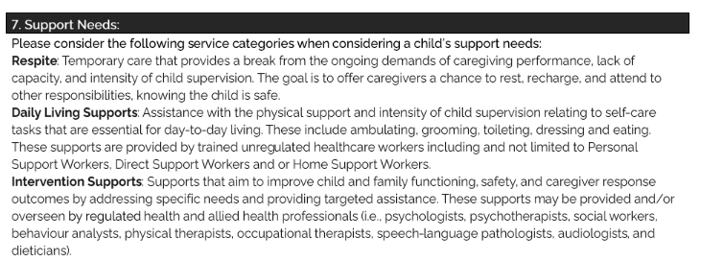

 |  |  | Assistance with the physical support and intensity of child supervison relating to self-care tasks that are essential for day-to-day living. These include ambulating, grooming, toileting, dressing and eating. These supports are provided by trained unregulated healthcare worders including and not limited to Personal Support Workers, Direct Support Workers and or Home Support Workers.

